Combined
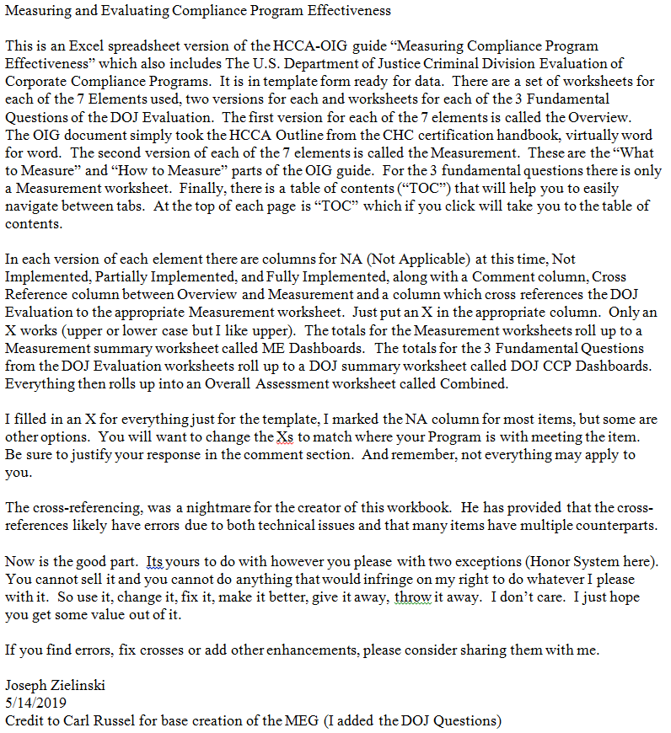
Measuring Compliance Program Effectiveness
Evaluated [enter Month Year] by [enter Your Name] |  | Legend | Description |  | Comment
 |  | NA | Not Applicable at this time |  | Doesn't pertain to us
Each element has both an Overview (OV) section and a Measurement (ME) section. |  | Not | Not Implemented yet |  | Not started or barely started
The Measurement section has an additional dashboard worksheet with sub-totals. |  | Partial | Partially Implemented |  | Well into it but more to do
 |  | Full | Fully Implemented |  | Virtually all done

Measurement Dashboard Counts
Measurement Dashboard Percentages

Overview Dashboard Counts
Overview Dashboard Percentages

DOJ CCP Dashboard Percentages
DOJ CCP Dashboard Counts

Measurement Dashboard
Element | Element Description | NA at this time | Not Implemented | Partially Implemented | Fully Implemented | Total
1 | Standards, Policies, and Procedures | 62 | 0 | 0 | 0 | 62
2 | Compliance Program Administration | 7 | 14 | 21 | 26 | 68
3 | Screening and Evaluation of Employees, Physicians, Vendors and other Agents | 4 | 8 | 12 | 16 | 40
4 | Communication, Education, and Training on Compliance Issues | 5 | 10 | 15 | 19 | 49
5 | Monitoring, Auditing, and Internal Reporting Systems | 8 | 16 | 24 | 29 | 77
6 | Discipline for Non‐Compliance | 4 | 8 | 10 | 12 | 34
7 | Investigations and Remedial Measures | 8 | 15 | 21 | 27 | 71
 | Totals | 98 | 71 | 103 | 129 | 401
 | Percentages | 24.4% | 17.7% | 25.7% | 32.2% | 100.0%

Overview Dashboard
Element | Element Description | NA at this time | Not Implemented | Partially Implemented | Fully Implemented | Total
1 | Standards, Policies, and Procedures | 18 | 0 | 0 | 0 | 18
2 | Compliance Program Administration | 3 | 6 | 7 | 8 | 24
3 | Screening and Evaluation of Employees, Physicians, Vendors and other Agents | 1 | 2 | 3 | 2 | 8
4 | Communication, Education, and Training on Compliance Issues | 2 | 4 | 3 | 4 | 13
5 | Monitoring, Auditing, and Internal Reporting Systems | 2 | 4 | 6 | 7 | 19
6 | Discipline for Non‐Compliance | 1 | 2 | 3 | 3 | 9
7 | Investigations and Remedial Measures | 2 | 4 | 6 | 6 | 18
 | Totals | 29 | 22 | 28 | 30 | 109
 | Percentages | 26.6% | 20.2% | 25.7% | 27.5% | 100.0%

DOJ CCP Dashboard
Fundamental Question | Requirement Description | NA at this time | NotSatisfied | Partially Satisfied | Fully Satisfied | Total
1 | Is the corporation's compliance program well designed? | 24 | 0 | 0 | 0 | 24
2 | Is the program being applied earnestly and in good faith? In other words, is the program adequately resourced and empowered to function effectively? | 13 | 0 | 0 | 0 | 13
3 | Does the corporation's compliance program work in practice? | 13 | 0 | 0 | 0 | 13
 | Totals | 50 | 0 | 0 | 0 | 50
 | Percentages | 100.0% | 0.0% | 0.0% | 0.0% | 100.0%

ME Dashboards
TOC
Measurement Dashboards

Element 1: Standards, Policies, and Procedures

Element 1: Standards, Policies, and Procedures
Category | Count | NA | Not | Partial | Full
Access | 7 | 7 | 0 | 0 | 0
Accountability | 3 | 3 | 0 | 0 | 0
Review/Approval Process | 8 | 8 | 0 | 0 | 0
Quality | 7 | 7 | 0 | 0 | 0
Assessment | 15 | 15 | 0 | 0 | 0
Code of Conduct | 7 | 7 | 0 | 0 | 0
Updates | 3 | 3 | 0 | 0 | 0
Understanding | 6 | 6 | 0 | 0 | 0
Compliance Plan | 2 | 2 | 0 | 0 | 0
Confidentiality Statements | 1 | 1 | 0 | 0 | 0
Enforcement | 3 | 3 | 0 | 0 | 0
Totals | 62 | 62 | 0 | 0 | 0

Element 2: Compliance Program Administration

Element 2: Compliance Program Administration
Category | Count | NA | Not | Partial | Full
Board of Directors | 5 | 1 | 2 | 2 | 0
Compliance Budget | 3 | 0 | 0 | 1 | 2
Compliance Committees | 10 | 1 | 2 | 3 | 4
Accountability | 2 | 0 | 0 | 0 | 2
Compliance Officer | 12 | 2 | 3 | 3 | 4
Staffing | 3 | 0 | 1 | 2 | 0
Compliance Plan | 5 | 0 | 0 | 1 | 4
Culture | 7 | 1 | 2 | 3 | 1
Incentives | 3 | 0 | 0 | 0 | 3
Performance Evaluations | 5 | 1 | 2 | 2 | 0
Risk Assessments | 8 | 1 | 2 | 1 | 4
Compliance Work Plan | 2 | 0 | 0 | 2 | 0
Legal Counsel's Role | 2 | 0 | 0 | 1 | 1
Other | 1 | 0 | 0 | 0 | 1
Totals | 68 | 7 | 14 | 21 | 26

Element 3: Screening and Evaluation of Employees, Physicians, Vendors and other Agents

Element 3: Screening and Evaluation of Employees, Physicians, Vendors and other Agents
Category | Count | NA | Not | Partial | Full
Accountability for Screening | 1 | 1 | 0 | 0 | 0
Conflict of Interest | 2 | 0 | 2 | 0 | 0
Employee Accountability | 4 | 0 | 0 | 3 | 1
Employee Disclosure | 1 | 0 | 0 | 0 | 1
Employee Screening | 13 | 2 | 2 | 3 | 6
Exit Interviews | 4 | 0 | 2 | 2 | 0
High Risk Screening | 1 | 0 | 0 | 1 | 0
Licensure | 2 | 0 | 0 | 0 | 2
Response to Exclusion | 1 | 0 | 0 | 0 | 1
Response to Screening | 3 | 1 | 1 | 0 | 1
Vendor | 5 | 0 | 1 | 3 | 1
Vendor Screening | 3 | 0 | 0 | 0 | 3
Totals | 40 | 4 | 8 | 12 | 16

Element 4: Communication, Education, and Training on Compliance Issues

Element 4: Communication, Education, and Training on Compliance Issues
Category | Count | NA | Not | Partial | Full
Training | 24 | 3 | 6 | 7 | 8
Accountability | 5 | 0 | 0 | 2 | 3
Awareness | 2 | 1 | 0 | 0 | 1
Board | 4 | 0 | 2 | 2 | 0
Communication | 6 | 1 | 0 | 1 | 4
Competency | 4 | 0 | 2 | 2 | 0
Culture | 1 | 0 | 0 | 1 | 0
Incentives | 1 | 0 | 0 | 0 | 1
Vendors and Volunteers | 2 | 0 | 0 | 0 | 2
Totals | 49 | 5 | 10 | 15 | 19

Element 5: Monitoring, Auditing, and Internal Reporting Systems

Element 5: Monitoring, Auditing, and Internal Reporting Systems
Category | Count | NA | Not | Partial | Full
Reporting System | 26 | 3 | 6 | 9 | 8
Risk Assessments | 10 | 1 | 2 | 3 | 4
Monitoring and Auditing Work Plan | 12 | 1 | 2 | 3 | 6
Audit Process | 12 | 1 | 2 | 3 | 6
Corrective Action Plans | 8 | 1 | 2 | 3 | 2
Auditors | 6 | 1 | 2 | 1 | 2
Non-Retaliation | 2 | 0 | 0 | 2 | 0
Vendor Oversight | 1 | 0 | 0 | 0 | 1
Totals | 77 | 8 | 16 | 24 | 29

Element 6: Discipline for Non‐Compliance

Element 6: Discipline for Non‐Compliance
Category | Count | NA | Not | Partial | Full
Consistency | 6 | 1 | 2 | 3 | 0
Awareness | 14 | 1 | 2 | 3 | 8
Documentation | 11 | 2 | 2 | 3 | 4
Promotion Criteria | 3 | 0 | 2 | 1 | 0
Totals | 34 | 4 | 8 | 10 | 12

Element 7: Investigations and Remedial Measures

Element 7: Investigations and Remedial Measures
Category | Count | NA | Not | Partial | Full
Guidelines for Conducting an Investigation | 4 | 1 | 2 | 1 | 0
Content of Investigation Files | 3 | 0 | 0 | 2 | 1
Quality and Consistency of Investigations | 5 | 1 | 1 | 0 | 3
Tracking and Trending Investigations | 4 | 0 | 1 | 3 | 0
Escalation of Investigations | 3 | 0 | 0 | 0 | 3
Communication of Investigation Outcomes | 4 | 1 | 2 | 0 | 1
Training of Investigators | 4 | 0 | 0 | 3 | 1
Professionalism and Competency of investigators | 4 | 1 | 0 | 0 | 3
Independence of investigator | 4 | 0 | 2 | 2 | 0
Involvement of Legal Counsel | 2 | 0 | 0 | 1 | 1
Timeliness of Response | 5 | 1 | 1 | 0 | 3
Corrective Action Plans / Remedial Measures | 9 | 1 | 1 | 3 | 4
Root Cause Analysis | 3 | 0 | 2 | 1 | 0
Adherence to non‐retaliation policy | 6 | 0 | 0 | 2 | 4
Government Inquiries/Investigations | 3 | 1 | 2 | 0 | 0
Monitoring Results | 4 | 0 | 0 | 3 | 1
Awareness of Investigation Process | 2 | 0 | 0 | 0 | 2
Contract Provisions Regarding Investigations | 2 | 1 | 1 | 0 | 0
Totals | 71 | 8 | 15 | 21 | 27

ME DOJ CCP DB
TOC
DOJ CCP Dashboards

Fundamental Question 1: Is the corporation's compliance program well designed?

Fundamental Question 1: Is the corporation's compliance program well designed?
Category | Count | NA | Not | Partial | Full
Risk Assessment | 4 | 4 | 0 | 0 | 0
Policies and Procedures | 5 | 5 | 0 | 0 | 0
Training and Communications | 4 | 4 | 0 | 0 | 0
Confidential Reporting Structure and Investigation Process | 4 | 4 | 0 | 0 | 0
Third Party Management | 4 | 4 | 0 | 0 | 0
Mergers & Acquisitions (M&A) | 3 | 3 | 0 | 0 | 0
Totals | 24 | 24 | 0 | 0 | 0

Fundamental Question 2: Is the program being applied earnestly and in good faith? In other words, is the program adequately resourced and empowered to function effectively?
Fundamental Question 2: Is the program being applied earnestly and in good faith? In other words, is the program being implemented effectively?
Category | Count | NA | Not | Partial | Full
Commitment by Senior and Middle Management | 3 | 3 | 0 | 0 | 0
Autonomy and Resources | 7 | 7 | 0 | 0 | 0
Incentives and Disciplinary Measures | 3 | 3 | 0 | 0 | 0
Totals | 13 | 13 | 0 | 0 | 0

Fundamental Question 3: Does the corporation's compliance program work in practice?

Fundamental Question 3: Does the corporation's compliance program work in practice?
Category | Count | NA | Not | Partial | Full
Continuous Improvement, Periodic Testing, and Review | 4 | 4 | 0 | 0 | 0
Investigation of Misconduct | 2 | 2 | 0 | 0 | 0
Analysis and Remediation of Any Underlying Misconduct | 7 | 7 | 0 | 0 | 0
Totals | 13 | 13 | 0 | 0 | 0

